Nachbearbeitung
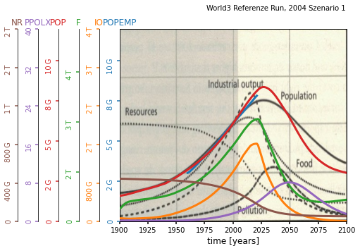
NRMSD Verlauf
 | 0.3534384913
 | 0.3414791538
 | 0.3395814559
 | 0.3385807707
 | 0.3357274883
 | 0.3332417958
 | 0.3315070511
 | 0.3305821914
 | 0.3287683085
 | 0.3279849383
 | 0.3273839793
 | 0.3269649354
 | 0.3264958887
 | 0.3262154417
 | 0.3255749773
 | 0.3248710593
 | 0.3240301036
 | 0.3236226552
 | 0.3231931317
 | 0.3229567557
 | 0.3225956788
 | 0.3223611568
 | 0.3205542397
 | 0.3198872495
 | 0.3184400847
 | 0.3180594732
 | 0.3172635461
 | 0.3166037372
 | 0.3151200449
 | 0.314795606
 | 0.3146392637
 | 0.3144733288
 | 0.3144033444
 | 0.3143111283
 | 0.3142454791
 | 0.3141552901
 | 0.313993433
 | 0.3139130313
 | 0.3138434867
 | 0.3137747171
 | 0.3137169195
 | 0.3136688737
 | 0.3136273378
 | 0.3135973536
 | 0.3135141989
 | 0.3134743944
 | 0.3134565241
 | 0.3134503681
 | 0.3134474541
 | 0.3134446515
...
Verbesserte Werte | Anzahl der Verbesserungen | Verbesserter Wert | Default Wert | Relative Change | Nicht verbesserte Werte | Werte
alln | 1 | 1396.551734 | 1000.00 | 0.396551734 | alai1 | 2
alsc1 | 3 | 21.136975 | 20.00 | 0.05684875 | alic1 | 14
amti | 3 | 1.611914 | 1.00 | 0.611914 | dcfsn | 3.8
faipm | 3 | 0.001856 | 0.001 | 0.856 | fioac1 | 0.43
frpm | 1 | 0.01966 | 0.02 | 0.017 | ghup | 0.000000004
fspd | 1 | 2.72415 | 2.00 | 0.362075 | icor1 | 3
hsid | 4 | 1.880432 | 20.00 | 0.9059784 | ieat | 3
imef | 6 | 0.001678 | 0.10 | 0.98322 | len | 28
imti | 1 | 5.344828 | 10.00 | 0.4655172 | lfpf | 0.75
lfh | 3 | 0.68127 | 0.70 | 0.026757142857 | lpd | 20
lyf1 | 4 | 0.968146 | 1.00 | 0.031854 | lufdt | 2
nri | 4 | 4.4541018887E+11 | 5.00E+11 | 0.10917962226 | mtfn | 12
nruf1 | 1 | 1.065051 | 1.00 | 0.065051 | rlt | 30
palt | 1 | 1744589774.1 | 3200000000.00 | 0.4548156956 | sad | 20
pl | 1 | 0.125856 | 0.10 | 0.25856
ppgf1 | 1 | 1.086211 | 1.00 | 0.086211
pptd | 3 | 32.046376 | 20.00 | 0.6023188
scor1 | 3 | 0.963433 | 1.00 | 0.036567
sd | 1 | 0.066382 | 0.07 | 0.051685714286
sfpc | 1 | 190.907399 | 230.00 | 0.16996783043
uildt | 7 | 0.217424 | 10.00 | 0.9782576

Anzahl Verbesserungen
Relative Change

